Sheet1
 |  | Document No. | Issue No. |  | Issue Date |  |  | Review and Replace Date |  | Authorised By
 |  | GFF389MC | 3 |  | 13.07.2023 |  |  | 10.06.2026 |  | Magda Shah
 |  | Document Title | 22 Onion Bhaji 660G

Document amendments reason for change |  | Film Updated |  |  | Page 1 of 1 |  | Previous Issue Date |  | 24.02.2026 | Uncontrolled copy unless signed original

COBHC-B22X1T | GAZEBO |  | 22 Onion Bhaji 660G
STEP 1 |  |  |  |  |  | STEP 2
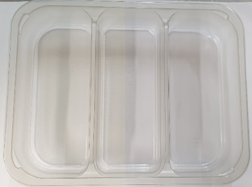 |  |  |  |  |  | 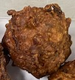 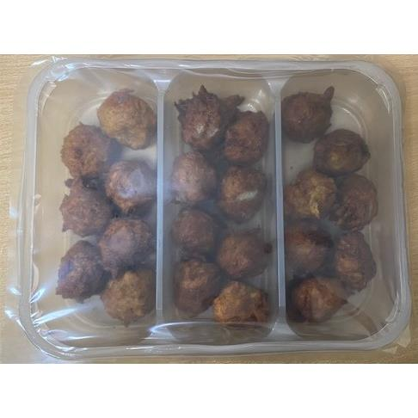

Tray: Tray 3 cavity HW308/60 Transparent (PKESS001-10) |  |  |  |  |  | Onion Bhaji 30g - (RMSRI001-02): 30G (1X22Units) - 660G
Film: 25mu Weld Seal Mono PET Film (340mm x 1000lm) -(PKCLI001-04)- Clifton Packaging
STEP 3
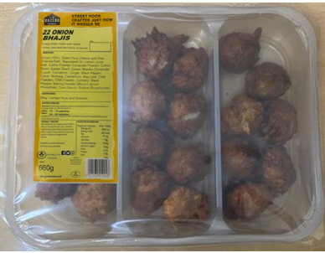 |  |  |  | 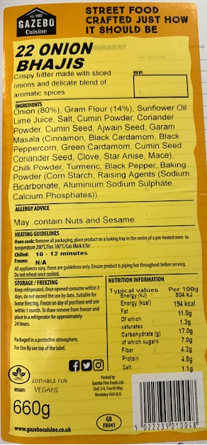 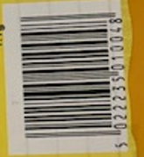

Label: 22 Onion Bhajis-Barcode: 0048
TOTAL WEIGHT: 660G
ALLERGY ALERT: None

